Business Logic
 | Case Study # 008 -Accounting Details in ALV format Convert Itab data to excel and download form
Object Description |  | Need a report with finctionality to disply all the Profit Centre Accounting Details in ALV format. On selection screen there should be 4 filter option available (Ledger, Company code, Account number & Controlling area). Based on any of four filter together and alone should filter data. On the next ALV screen there should be two buttons available in menu bar 1. Download Excel 2. Display form.

Logic for Report
1 | Select the fields from ZGLPCT, ZGLPCO and ZGLPCV table using inner join or Forall entries
2 | Display an OALV of all this selected fields on screen 0100 along with two buttons on menu bar 'Download XLSX' and 'Display Form'
3 | On selection screen there should be 4 select option filter available to filter ALV data
4 | The filters should be Ledger, Company code, Account number & Controlling area
5 | If no filter is passed all details should be displayed. If one or more filter is passed data should be filtered based on passed values
6 | When 'Download XLSX' button is pressed it should ask user to select path and name of excel file
7 | The excel file should have the same data that displayed on ALV
8 | Excel should have header along with data
9 | On ALV screen if any row(s) is selected and 'Display Form' button is pressed it should generate the Adobeform
10 | The basic Back, Exit and Leave button should work accordingly
11 | Refer the below screenshot for selection screen, ALV and Form designing

Screenshots
 | Selection screen |  |  | ALV Screen
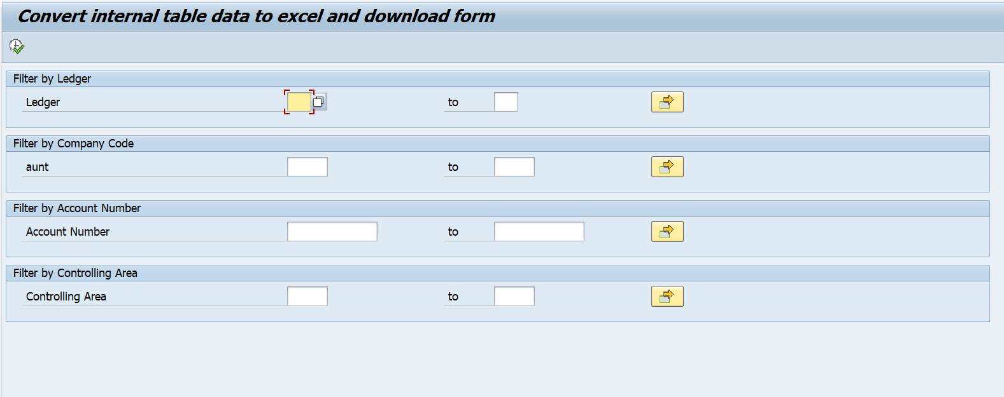
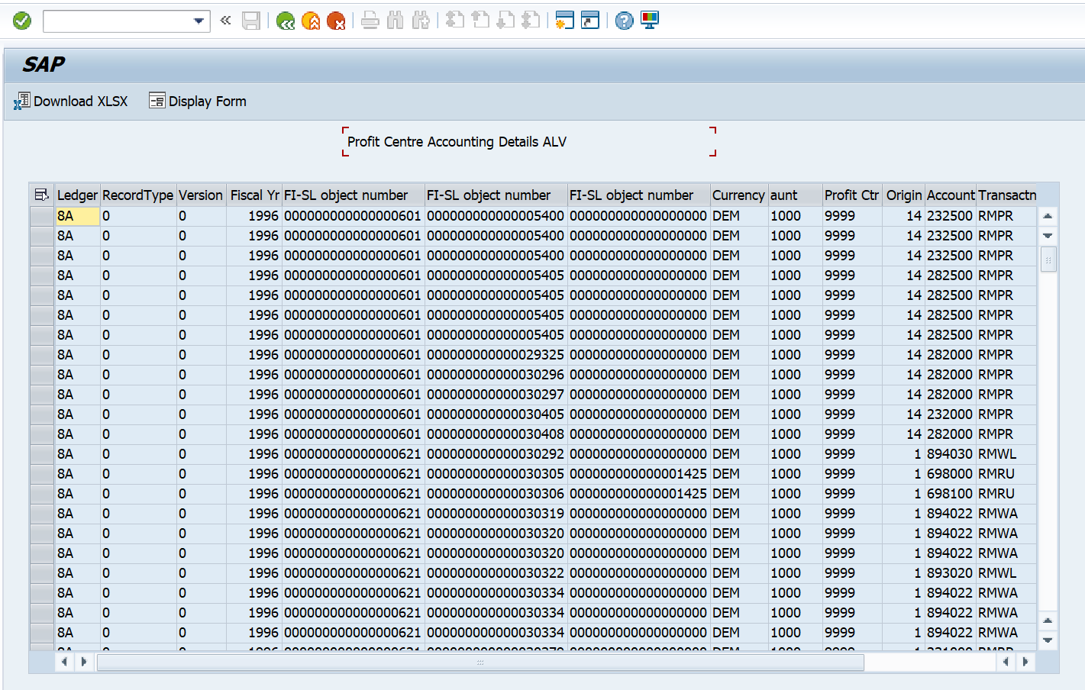

 | On pressing Download Excel button |  | Adobeform
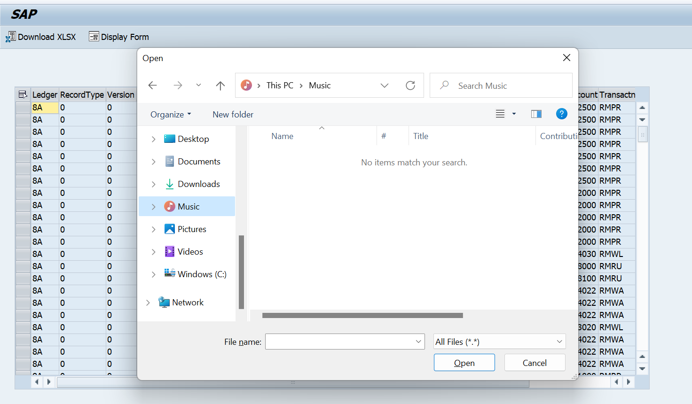
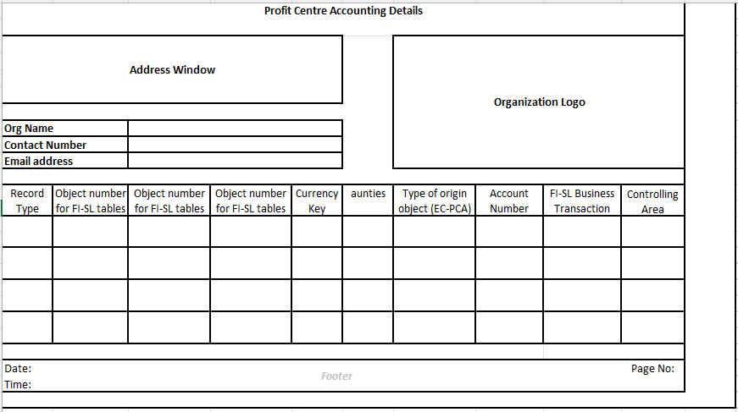

Logic to retrieve data from tables
 | How to retrieve data from Three Tables?
 | In the select query use inner join on ( GLPCT - RCLNT, RLDNR, RRCTY, RVERS, RYEAR, ROBJNR, COBJNR, SOBJNR, RTCUR ) ( GLPCO - OBJNR, BUKRS, HOART ) & ( GLPCC - OBJNR, RACCT, ACTIV, KOKRS ) where GLPCT-ROBJNR = GLPCO-OBJNR & GLPCT-COBJNR = GLPCC-OBJNR

